Proses Approve
 |  | Tabel approved Engineering Dept

APPROVED
REJECTED
1 | nrp | NameUser | Result | Dateapproved | Created Date | Section Approval | MIS Approval | Inprogress Date | Closed Date
 | 1946 | Dhendy |  | 18-08-2022 / 01:29 | 18-08-2022 / 1:47 | 18-08-2022 / 1:47 | 18-08-2022 / 1:47 | 18-08-2022 / 1:47 | 18-08-2022 / 1:47

APPROVED
REJECTED
2 | nrp | NameUser | Result
 | 1946 | Iwan

 |  | Tabel approved Production Dept

APPROVED
REJECTED
1 | nrp | NameUser | Result
 | 1946 | Budi/Suranto

APPROVED
REJECTED
2 | nrp | NameUser | Result
 | 1946 | Dedet

 |  | Tabel approved MIS Dept

APPROVED
REJECTED
1 | nrp | NameUser | Result
 | 1946 | MIS Member

APPROVED
REJECTED
2 | nrp | NameUser | Result
 | 1946 | Manager

Sheet4
Tabel user
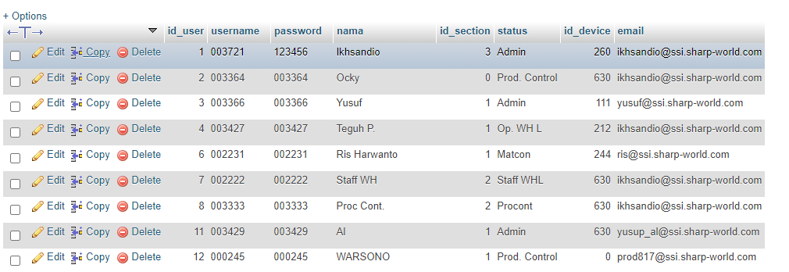

Table Section

 | Section | Engineering | 1
 |  | Production | 2
 |  | MIS | 3

